getSuggestion
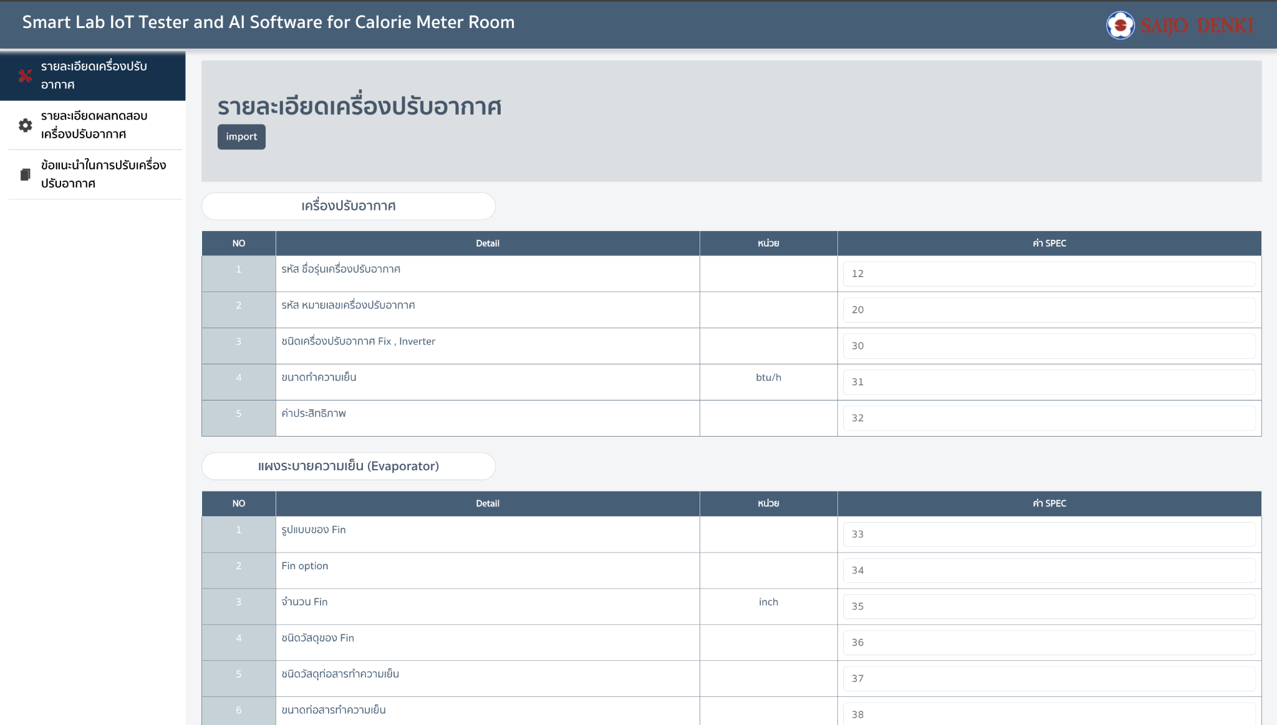
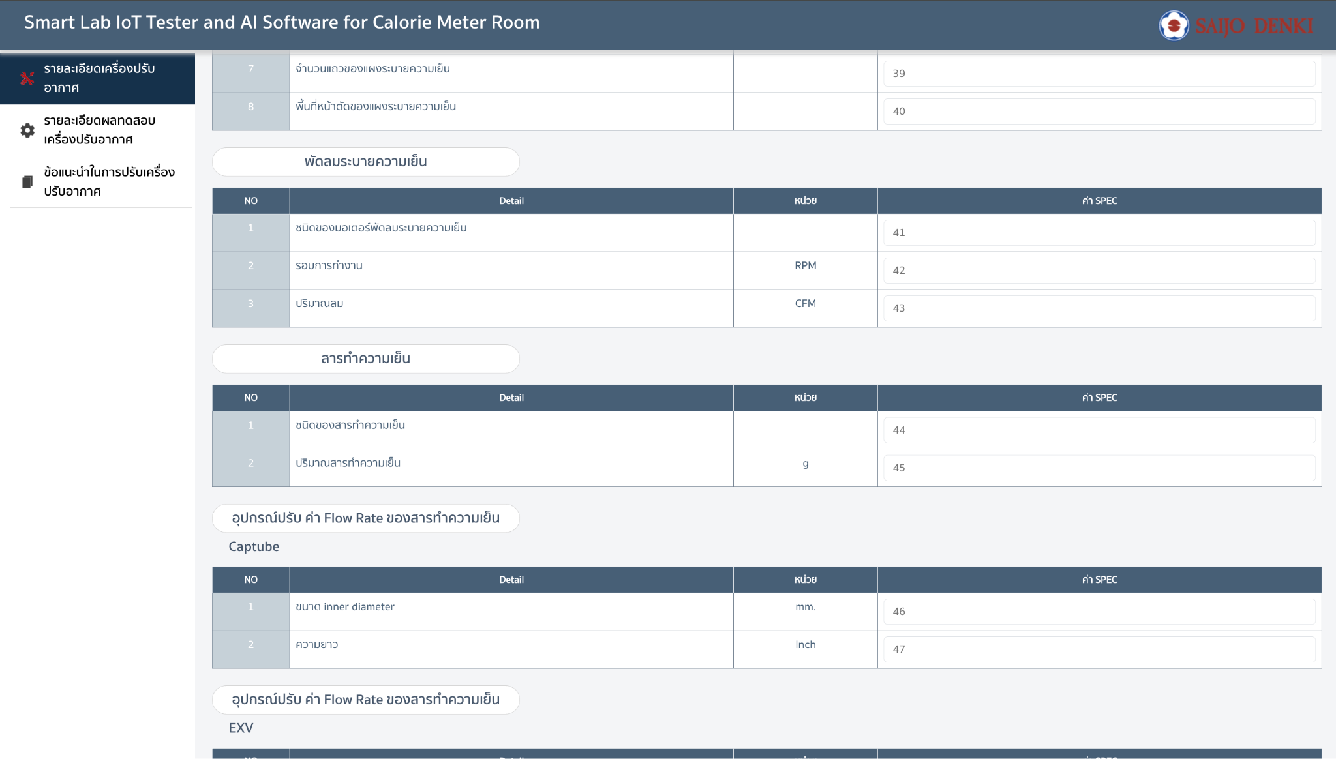
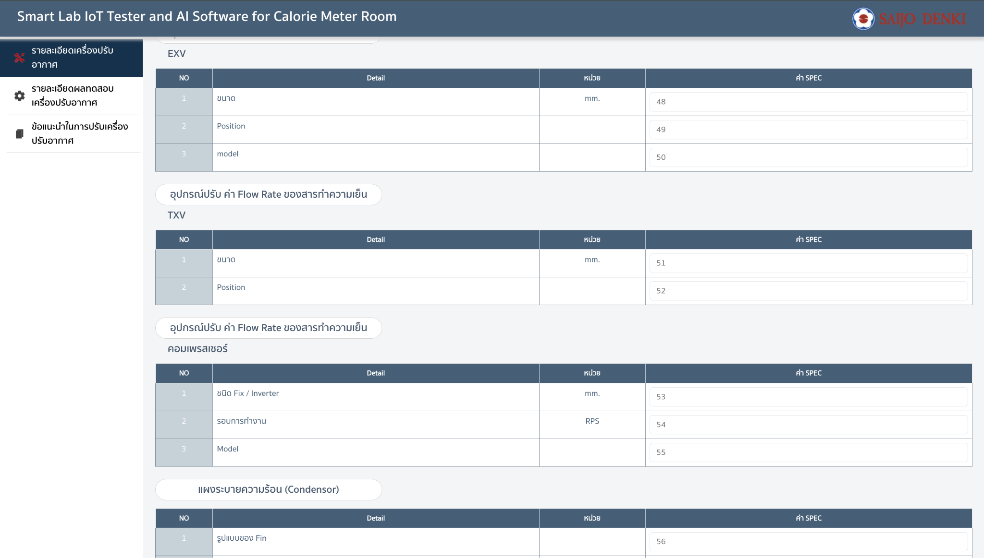
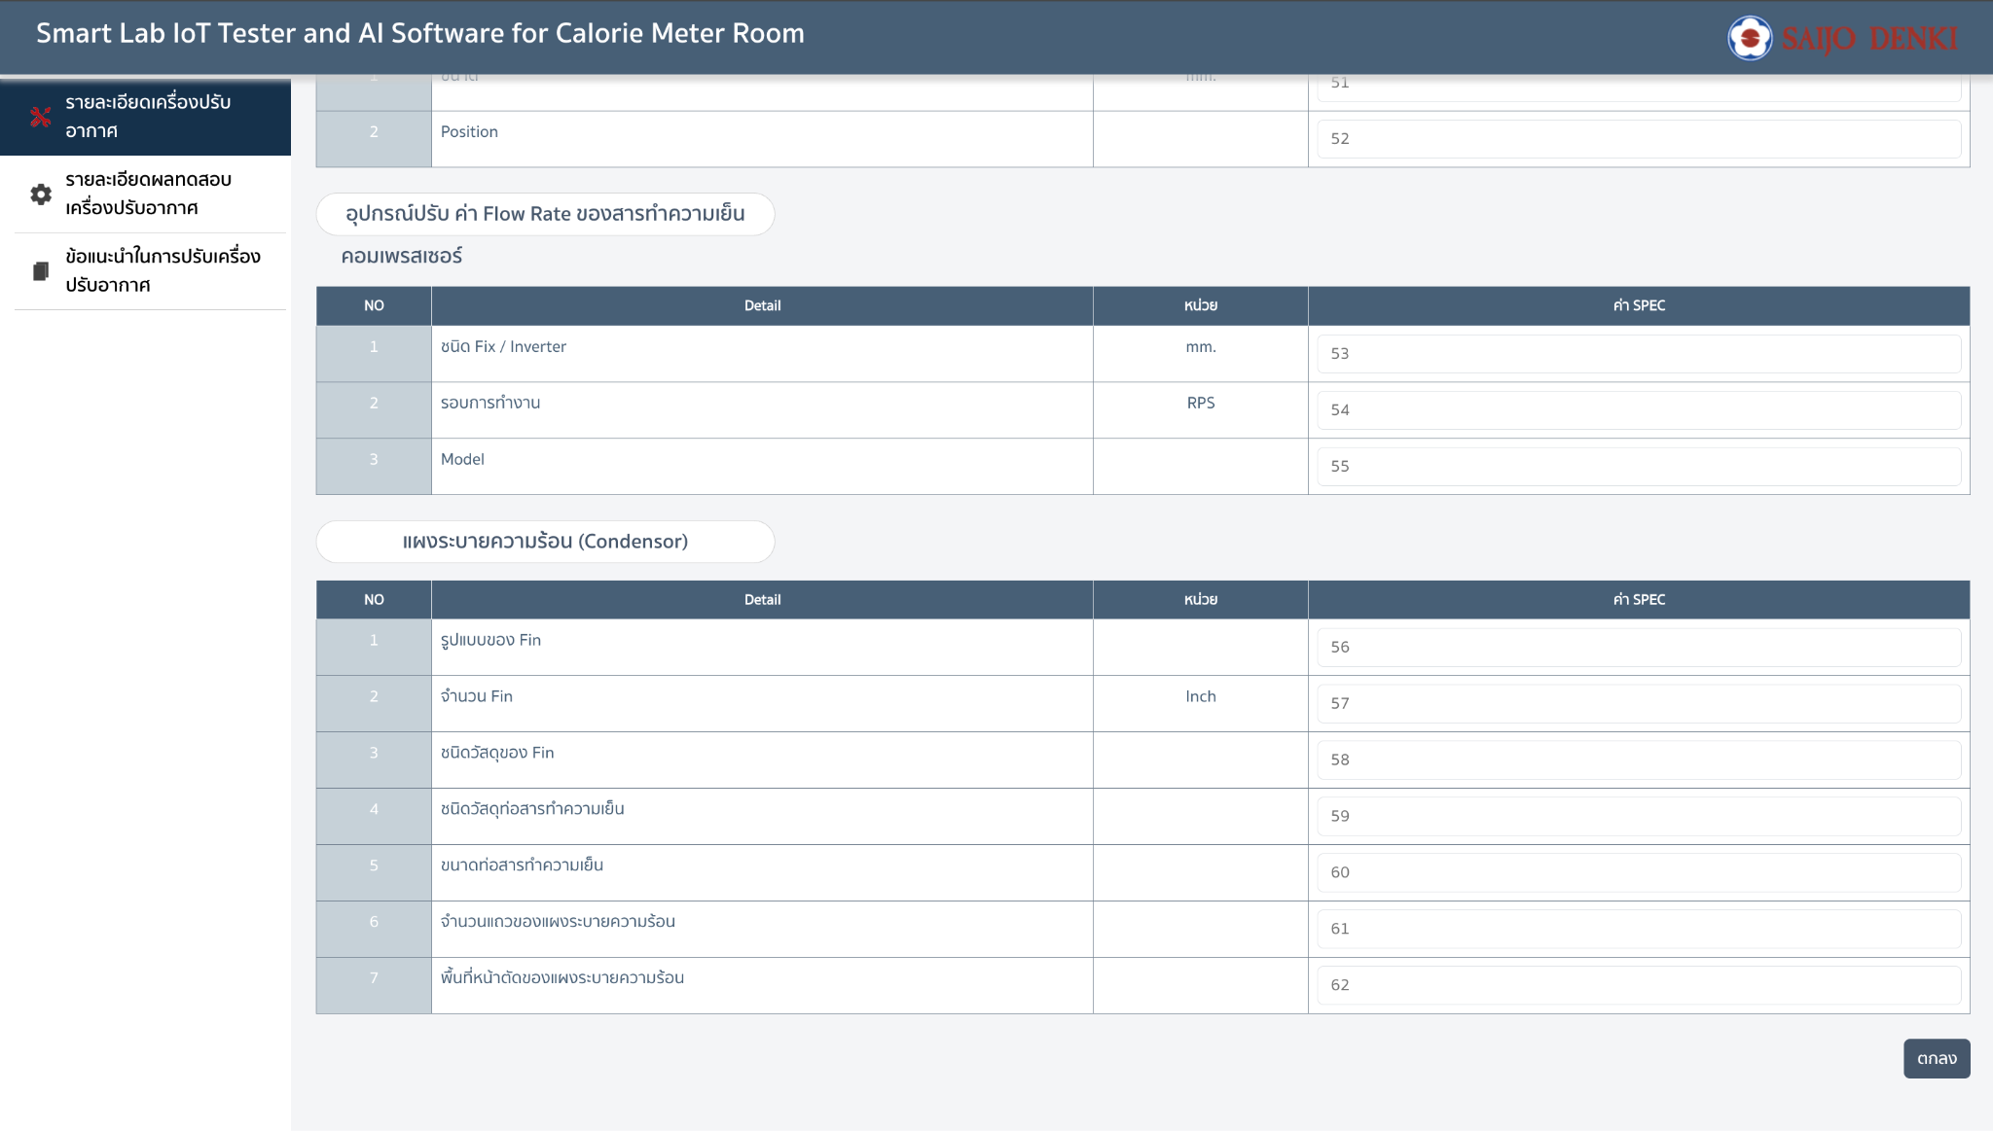
input รายละเอียดเครื่องปรับอากาศและผลการทดสอบ
getSuggestion
Request
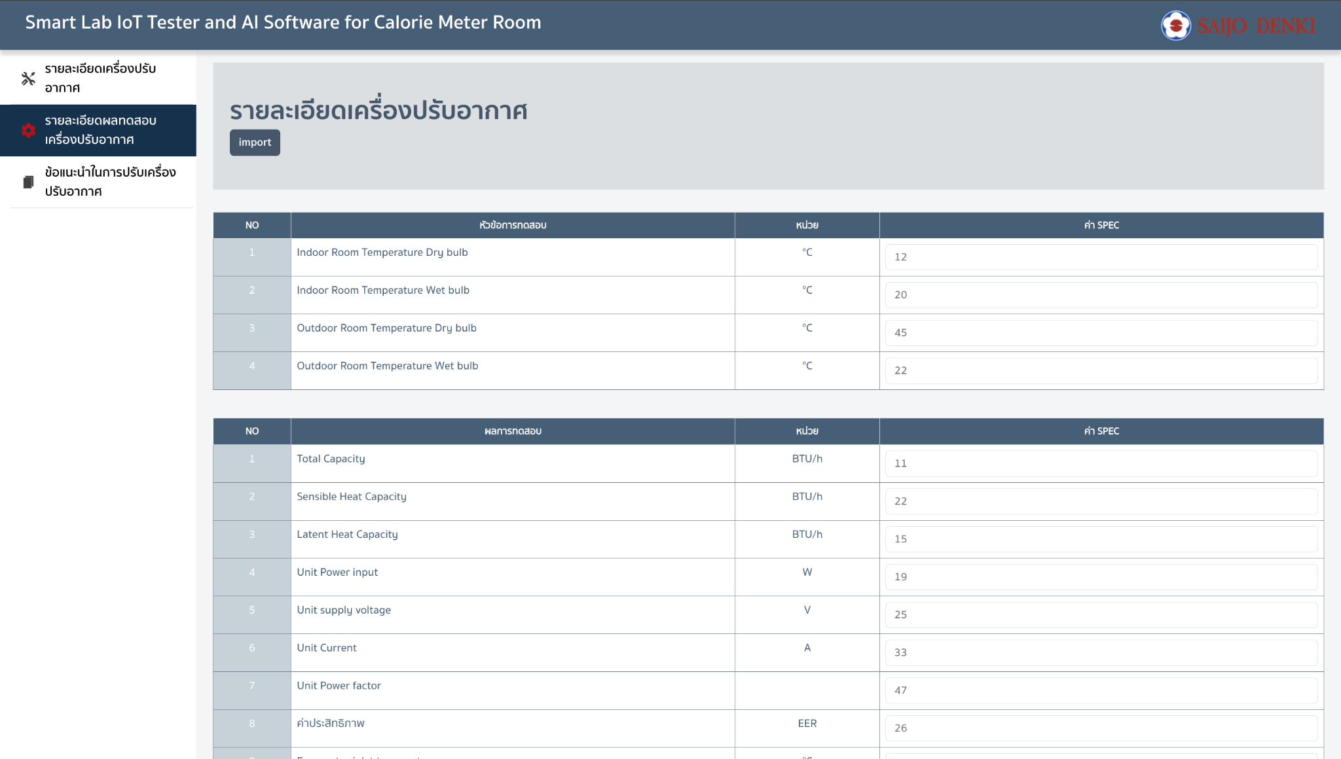
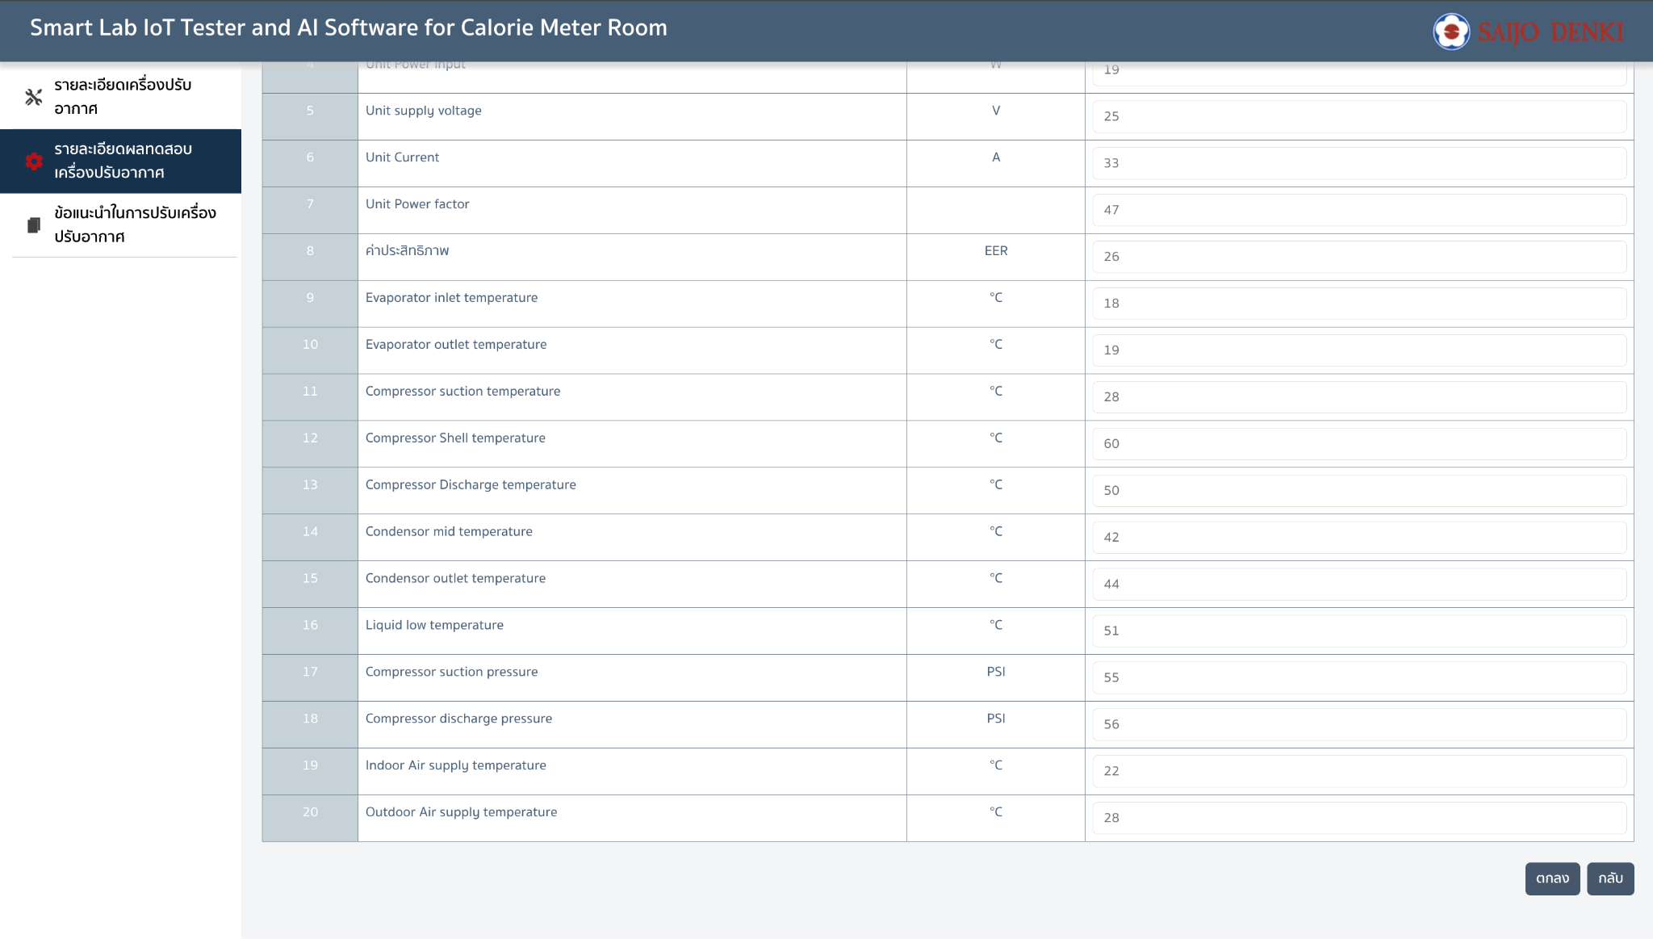
{ detail:{ "model": "12", "serial": "20", "conditioner type": "", "rate_capacity": "31", "rate_eer": "32", "evap_fin_pattern": "33", "evap_fin_option": "34", "evap_fin_pitch": "35", "evap_fin_material": "36", "evap_pipe_material": "37", "evap_pipe_diameter": "38", "evap_row_number": "39", "evap_face_area": "40", "evap_fanmotor_type": "41", "evap_fanmotor_speed": "42", "evap_air_flow": "43", "refrigerant_type": "44", "refrigerant_amount": "45", "captube_refri_flow_diameter": "46", "captube_refri_flow_length": "47", "exv_refri_flow_diameter": "48", "exv_refri_flow_position": "49", "exv_refri_flow_model": "50", "txv_refri_flow_diameter": "51", "txv_refri_flow_position": "52", "comp_refri_flow_type": "53", "comp_refri_flow_speed": "54", "comp_refri_flow_model": "55", "cond_fin_pattern": "56", "cond_fin_pitch": "57", "cond_fin_material": "58", "cond_pipe_material": "59", "cond_pipe_diameter": "60", "cond_row_number": "61", "cond_face_area": "62" }, test: { "id_room_temp_db": "12", "id_room_temp_wb": "20", "od_room_temp_db": "45", "od_room_temp_wb": "22", "total_cap": "11", "sensible_cap": "22", "latent_cap": "15", "result_power_input": "19", "result_supply": "25", "result_current": "33", "result_power_factor": "47", "result_eer": "26", "evap_inlet_temp": "18", "evap_outlet_temp": "19", "comp_suction_temp": "28", "comp_shell_temp": "60", "comp_disch_temp": "50", "cond_mid_temp": "42", "cond_outlet_temp": "44", "liquie_low_temp": "51", "comp_suction_pressure": "55", "comp_disch_pressure": "56", "id_air_suppply_temp": "22", "od_air_supply_temp": "28" } }
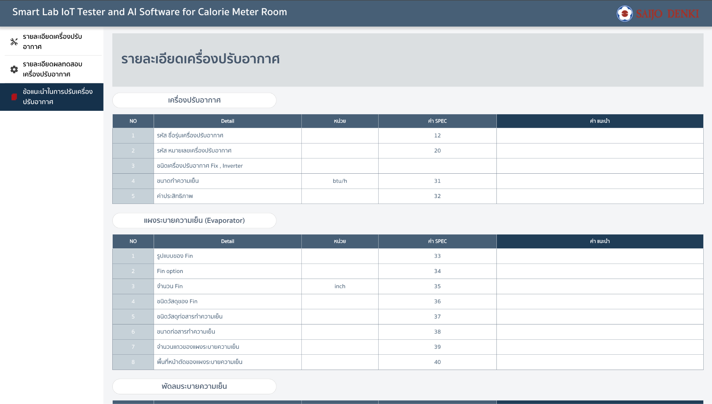
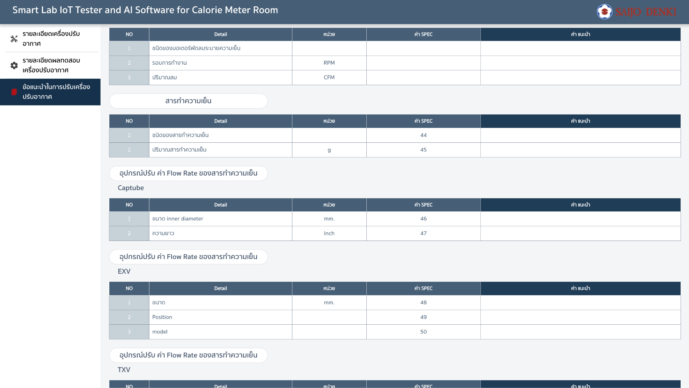
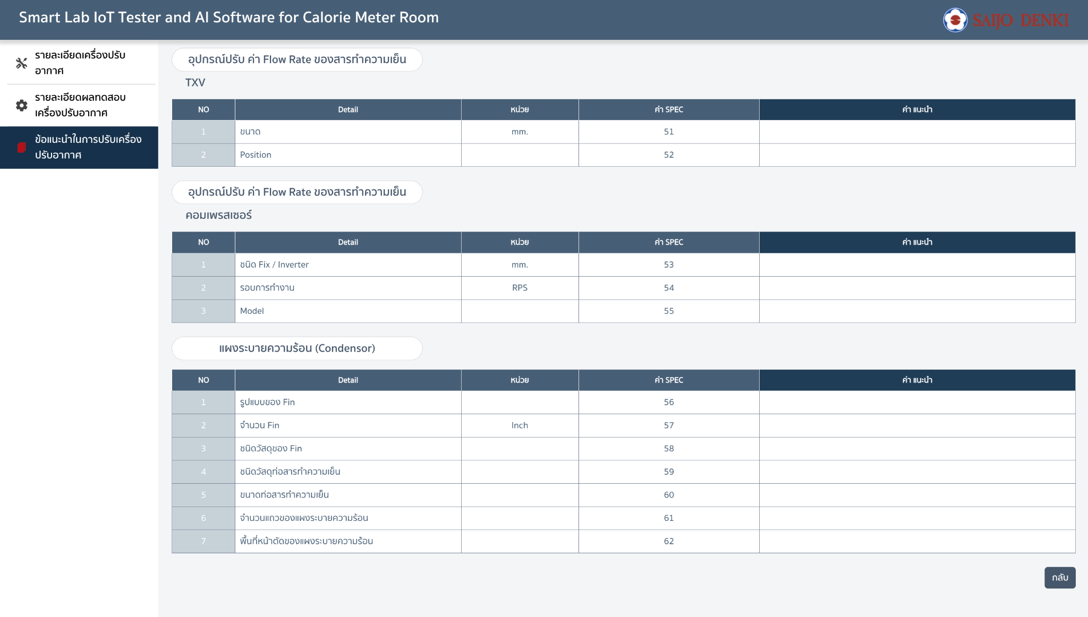
Response
{ "model": "", "serial": "", "conditioner type": "", "rate_capacity": "", "rate_eer": "", "evap_fin_pattern": "", "evap_fin_option": "", "evap_fin_pitch": "", "evap_fin_material": "", "evap_pipe_material": "", "evap_pipe_diameter": "", "evap_row_number": "", "evap_face_area": "", "evap_fanmotor_type": "", "evap_fanmotor_speed": "", "evap_air_flow": "", "refrigerant_type": "", "refrigerant_amount": "", "captube_refri_flow_diameter": "", "captube_refri_flow_length": "", "exv_refri_flow_diameter": "", "exv_refri_flow_position": "", "exv_refri_flow_model": "", "txv_refri_flow_diameter": "", "txv_refri_flow_position": "", "comp_refri_flow_type": "", "comp_refri_flow_speed": "", "comp_refri_flow_model": "", "cond_fin_pattern": "", "cond_fin_pitch": "", "cond_fin_material": "", "cond_pipe_material": "", "cond_pipe_diameter": "", "cond_row_number": "", "cond_face_area": "" }

